Notes
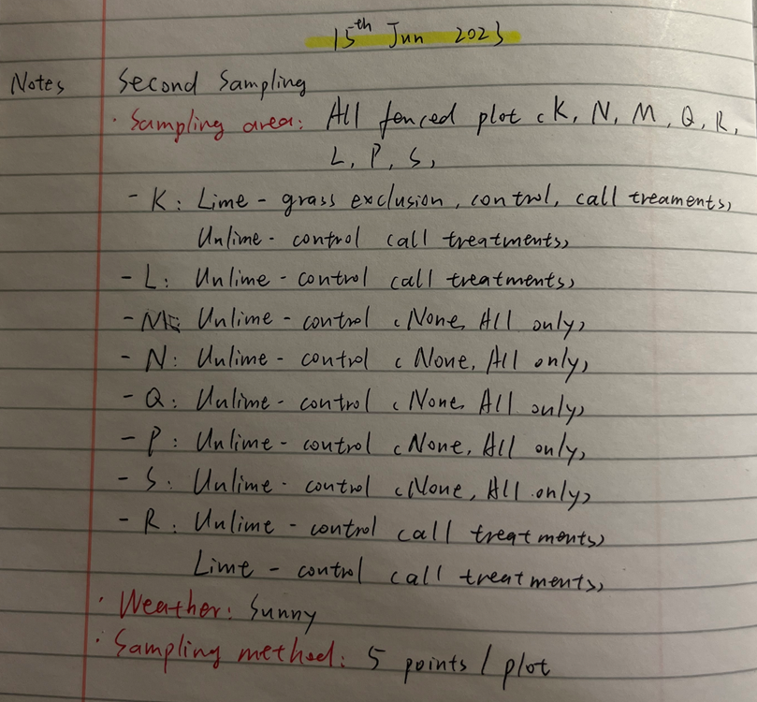
Sampling area | All fenced plots
Sampling time | 2023.06.15
Weather | Sunny

Sheet3
Plot | Group | Treatment | SPAD | CC_Wheat
K | Grass exclusion | Downslope_Minus grass_Lime_None | 39.9 | 232.45028
K | Grass exclusion | Downslope_Minus grass_Lime_None | 30.6 | 146.53688
K | Grass exclusion | Downslope_Minus grass_Lime_None | 28.2 | 127.67912
K | Grass exclusion | Downslope_Minus grass_Lime_None | 30.2 | 143.29952
K | Grass exclusion | Downslope_Minus grass_Lime_None | 28.9 | 133.03888
K | Grass exclusion | Downslope_Minus grass_Lime_All | 28.6 | 130.72768
K | Grass exclusion | Downslope_Minus grass_Lime_All | 21.5 | 82.229
K | Grass exclusion | Downslope_Minus grass_Lime_All | 32.4 | 161.57228
K | Grass exclusion | Downslope_Minus grass_Lime_All | 26.3 | 113.71412
K | Grass exclusion | Downslope_Minus grass_Lime_All | 30.6 | 146.53688
K | Control | Downslope_Control_Lime_None | 37.3 | 206.37592
K | Control | Downslope_Control_Lime_None | 31.5 | 153.959
K | Control | Downslope_Control_Lime_None | 26.4 | 114.42788
K | Control | Downslope_Control_Lime_None | 42.2 | 256.84592
K | Control | Downslope_Control_Lime_None | 50.9 | 360.41768
K | Control | Downslope_Control_Lime_All | 28.6 | 130.72768
K | Control | Downslope_Control_Lime_All | 23 | 91.484
K | Control | Downslope_Control_Lime_All | 38 | 213.239
K | Control | Downslope_Control_Lime_All | 36.1 | 194.87968
K | Control | Downslope_Control_Lime_All | 31.6 | 154.79548
K | Control | Downslope_Control_Unlime_None | 19.6 | 71.26828
K | Control | Downslope_Control_Unlime_None | 39.3 | 226.29152
K | Control | Downslope_Control_Unlime_None | 22.3 | 87.09892
K | Control | Downslope_Control_Unlime_None | 24.6 | 101.94128
K | Control | Downslope_Control_Unlime_None | 39.7 | 230.38792
K | Control | Downslope_Control_Unlime_All | 40.1 | 234.52208
K | Control | Downslope_Control_Unlime_All | 37.6 | 209.30308
K | Control | Downslope_Control_Unlime_All | 24.2 | 99.27032
K | Control | Downslope_Control_Unlime_All | 33.3 | 169.37672
K | Control | Downslope_Control_Unlime_All | 29.9 | 140.89628
L | Control | Upslope_Control_Unlime_All | 28.8 | 132.26612
L | Control | Upslope_Control_Unlime_All | 24.8 | 103.29092
L | Control | Upslope_Control_Unlime_All | 33.9 | 174.68588
L | Control | Upslope_Control_Unlime_All | 13.8 | 43.07912
L | Control | Upslope_Control_Unlime_All | 25.8 | 110.18072
L | Control | Upslope_Control_Unlime_None | 28.7 | 131.49572
L | Control | Upslope_Control_Unlime_None | 30.4 | 144.91348
L | Control | Upslope_Control_Unlime_None | 16.1 | 53.30768
L | Control | Upslope_Control_Unlime_None | 24.9 | 103.96928
L | Control | Upslope_Control_Unlime_None | 27.7 | 123.92152
M | Control | minus insect_Control_Unlime_None | 31.9 | 157.31908
M | Control | minus insect_Control_Unlime_None | 37 | 203.47
M | Control | minus insect_Control_Unlime_None | 23.6 | 95.33468
M | Control | minus insect_Control_Unlime_None | 40 | 233.485
M | Control | minus insect_Control_Unlime_None | 28.7 | 131.49572
M | Control | minus insect_control_Unlime_All | 34 | 175.579
M | Control | minus insect_control_Unlime_All | 30.9 | 148.98968
M | Control | minus insect_control_Unlime_All | 44.2 | 279.07432
M | Control | minus insect_control_Unlime_All | 37.5 | 208.325
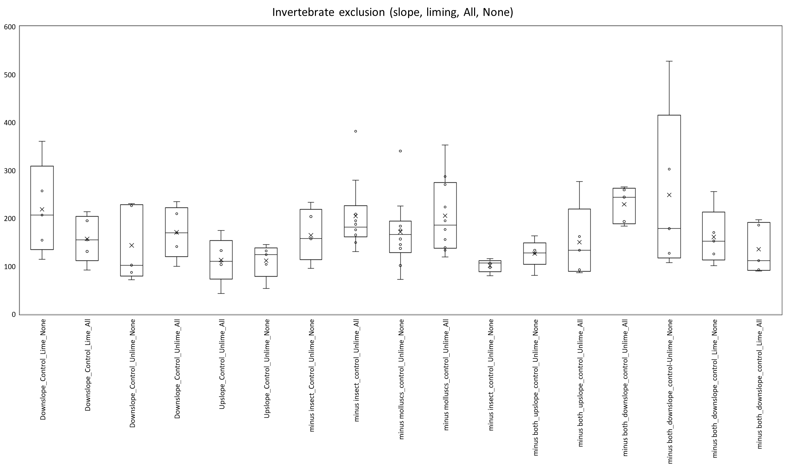
M | Control | minus insect_control_Unlime_All | 32.8 | 165.01732
N | Control | minus molluscs_control_Unlime_None | 34 | 175.579
N | Control | minus molluscs_control_Unlime_None | 30.4 | 144.91348
N | Control | minus molluscs_control_Unlime_None | 29.4 | 136.93808
N | Control | minus molluscs_control_Unlime_None | 34.9 | 183.72328
N | Control | minus molluscs_control_Unlime_None | 24.5 | 101.27
N | Control | minus molluscs_control_Unlime_All | 36.1 | 194.87968
N | Control | minus molluscs_control_Unlime_All | 39 | 223.244
N | Control | minus molluscs_control_Unlime_All | 50.3 | 352.70132
N | Control | minus molluscs_control_Unlime_All | 43.4 | 270.06968
N | Control | minus molluscs_control_Unlime_All | 44.9 | 287.07728
Q | Control | minus insect_control_Unlime_None | 25.3 | 106.70632
Q | Control | minus insect_control_Unlime_None | 23.8 | 96.63712
Q | Control | minus insect_control_Unlime_None | 21.1 | 79.85068
Q | Control | minus insect_control_Unlime_None | 26.6 | 115.86248
Q | Control | minus insect_control_Unlime_None | 25.3 | 106.70632
Q | Control | minus insect_control_Unlime_All | 34 | 175.579
Q | Control | minus insect_control_Unlime_All | 28.5 | 129.962
Q | Control | minus insect_control_Unlime_All | 52.5 | 381.41
Q | Control | minus insect_control_Unlime_All | 35.3 | 187.40432
Q | Control | minus insect_control_Unlime_All | 36.1 | 194.87968
P | Control | minus molluscs_control_Unlime_None | 31.8 | 156.47552
P | Control | minus molluscs_control_Unlime_None | 19.8 | 72.38192
P | Control | minus molluscs_control_Unlime_None | 39.2 | 225.27332
P | Control | minus molluscs_control_Unlime_None | 34.2 | 177.37232
P | Control | minus molluscs_control_Unlime_None | 49.3 | 340.02952
P | Control | minus molluscs_control_Unlime_All | 34.1 | 176.47448
P | Control | minus molluscs_control_Unlime_All | 31.7 | 155.63432
P | Control | minus molluscs_control_Unlime_All | 28.9 | 133.03888
P | Control | minus molluscs_control_Unlime_All | 29.6 | 138.51428
P | Control | minus molluscs_control_Unlime_All | 27 | 118.76
S | Control | minus both_upslope_control_Unlime_None | 28.1 | 126.92288
S | Control | minus both_upslope_control_Unlime_None | 21.2 | 80.44172
S | Control | minus both_upslope_control_Unlime_None | 32.6 | 163.29008
S | Control | minus both_upslope_control_Unlime_None | 28.2 | 127.67912
S | Control | minus both_upslope_control_Unlime_None | 28.9 | 133.03888
S | Control | minus both_upslope_control_Unlime_All | 32.4 | 161.57228
S | Control | minus both_upslope_control_Unlime_All | 22.2 | 86.48192
S | Control | minus both_upslope_control_Unlime_All | 44 | 276.809
S | Control | minus both_upslope_control_Unlime_All | 23.1 | 92.11988
S | Control | minus both_upslope_control_Unlime_All | 28.9 | 133.03888
R | Control | minus both_downslope_control_Unlime_All | 43 | 265.624
R | Control | minus both_downslope_control_Unlime_All | 42.4 | 259.02628
R | Control | minus both_downslope_control_Unlime_All | 41 | 243.962
R | Control | minus both_downslope_control_Unlime_All | 34.9 | 183.72328
R | Control | minus both_downslope_control_Unlime_All | 35.9 | 192.99668
R | Control | minus both_downslope_control-Unlime_None | 62.6 | 527.86808
R | Control | minus both_downslope_control-Unlime_None | 46.2 | 302.24672
R | Control | minus both_downslope_control-Unlime_None | 34.3 | 178.27252
R | Control | minus both_downslope_control-Unlime_None | 25.4 | 107.39648
R | Control | minus both_downslope_control-Unlime_None | 28.1 | 126.92288
R | Control | minus both_downslope_control_Lime_None | 42.1 | 255.75928
R | Control | minus both_downslope_control_Lime_None | 33.4 | 170.25568
R | Control | minus both_downslope_control_Lime_None | 24.4 | 100.60108
R | Control | minus both_downslope_control_Lime_None | 31.3 | 152.29312
R | Control | minus both_downslope_control_Lime_None | 27.9 | 125.41748
R | Control | minus both_downslope_control_Lime_All | 26 | 111.587
R | Control | minus both_downslope_control_Lime_All | 23.2 | 92.75812
R | Control | minus both_downslope_control_Lime_All | 36.3 | 196.77212
R | Control | minus both_downslope_control_Lime_All | 35.1 | 185.55908
R | Control | minus both_downslope_control_Lime_All | 22.7 | 89.59052

OLI_Ramesh
id |  | CC | Blue | Green | Red | NIR | SWIR | SWIR2 | SR_May2023 | NDVI | SAVI | MSAVI | EVI | NDMI | G NDVI | CI Green | SR_April2022 | NDVI | SAVI | MSAVI | EVI | NDMI | G NDVI | CI Green | SR_July2022 | NDVI | SAVI | MSAVI | EVI | NDMI | G NDVI | CI Green | SR_Aug2022 | NDVI | SAVI | MSAVI | EVI | NDMI | G NDVI | CI Green
3 | L | 154.65344533 | 0.0275 | 0.0483 | 0.0418 | 0.3996 | 0.2214 | 0.1168 | 9.5598086124 | 0.810602628 | 0.57010834927 | 0.59352785164 | 0.61939549216 | 0.28695652174 | 0.78432685867 | 8.5598086124 | 5.7061946903 | 0.70176827659 | 0.45380589373 | 0.44221351944 | 0.48774671656 | 0.137414006 | 0.7272970801 | 4.7061946903 | 7.1262626263 | 0.75388440025 | 0.55545944846 | 0.57019535545 | 0.59259379885 | 0.25608308605 | 0.78156565657 | 6.1262626263 | 5.8496932515 | 0.70801612181 | 0.50105641242 | 0.50131322044 | 0.51553787459 | 0.20581726209 | 0.74753722795 | 4.8496932515
5 | K | 166.46080289 | 0.0208 | 0.0383 | 0.0265 | 0.3481 | 0.1465 | 0.0739 | 13.135849057 | 0.85851575013 | 0.55156643037 | 0.5722855515 | 0.59507068315 | 0.40760210271 | 0.80175983437 | 12.135849057 | 7.7849740933 | 0.7723385432 | 0.46818019306 | 0.45844700703 | 0.51028758476 | 0.26793248945 | 0.76764705882 | 6.7849740933 | 9.2287917738 | 0.8044734858 | 0.53474774474 | 0.54646040251 | 0.56930957208 | 0.3475975976 | 0.80538094041 | 8.2287917738 | 7.0649651972 | 0.75201380898 | 0.46260028315 | 0.45176745259 | 0.46994103265 | 0.30770882542 | 0.7854001759 | 6.0649651972
6 | N | 207.03958 | 0.0247 | 0.0479 | 0.0348 | 0.4258 | 0.1921 | 0.0899 | 12.235632184 | 0.84889274859 | 0.61055590256 | 0.65174591775 | 0.67444026633 | 0.37821653989 | 0.79776229681 | 11.235632184 | 7.7080745342 | 0.77032810271 | 0.52791657615 | 0.53628319982 | 0.58915518057 | 0.23646629027 | 0.77117031399 | 6.7080745342 | 5.7527733756 | 0.7038253931 | 0.48574667962 | 0.48225205188 | 0.50689608546 | 0.23406425293 | 0.74100719424 | 4.7527733756 | 3.0286259542 | 0.50355281857 | 0.34580351334 | 0.32450776026 | 0.33116296458 | 0.019431507949 | 0.66134519759 | 2.0286259542
7 | M | 179.80898 | 0.0256 | 0.0459 | 0.035 | 0.425 | 0.1927 | 0.0932 | 12.142857143 | 0.84782608696 | 0.609375 | 0.65 | 0.67567567568 | 0.37607252712 | 0.80505415162 | 11.142857143 | 7.0059055118 | 0.75018441111 | 0.5047424727 | 0.50609318188 | 0.5520373453 | 0.21488308585 | 0.75147637795 | 6.0059055118 | 5.3847352025 | 0.68675286655 | 0.46406198483 | 0.45556093505 | 0.47779890013 | 0.15310206805 | 0.75082299316 | 4.3847352025 | 3.2852631579 | 0.53328420535 | 0.35900121266 | 0.33743547636 | 0.34683835511 | 0.060482500849 | 0.66054801809 | 2.2852631579
8 | P | 169.395456 | 0.0284 | 0.0523 | 0.0426 | 0.4051 | 0.2208 | 0.1131 | 9.5093896714 | 0.80969399151 | 0.5737575182 | 0.59817002427 | 0.62599295434 | 0.29445598338 | 0.77131613467 | 8.5093896714 | 6.2173174873 | 0.72288873206 | 0.49827045725 | 0.49782187904 | 0.54578715544 | 0.19555990859 | 0.74630424416 | 5.2173174873 | 3.6145833333 | 0.56659142212 | 0.37704462001 | 0.35619552732 | 0.36679223225 | 0.051338158559 | 0.67677852349 | 2.6145833333 | 2.531986532 | 0.43374642517 | 0.29686820357 | 0.27422556082 | 0.27256117651 | -0.063366028336 | 0.61546723953 | 1.531986532
11 | S | 138.139464 | 0.0315 | 0.0538 | 0.0499 | 0.3968 | 0.2311 | 0.1159 | 7.9519038076 | 0.77658383703 | 0.54964613922 | 0.56445945177 | 0.59402719271 | 0.26389552477 | 0.76120727918 | 6.9519038076 | 5.7272727273 | 0.7027027027 | 0.47769028871 | 0.47218491885 | 0.51425140395 | 0.14545454545 | 0.73622047244 | 4.7272727273 | 6.746365105 | 0.74181438999 | 0.54471669219 | 0.55622794795 | 0.5825417622 | 0.24230254351 | 0.7538849223 | 5.746365105 | 4.1846689895 | 0.61424731183 | 0.4345942519 | 0.42244604033 | 0.43041471761 | 0.12822921559 | 0.71530587955 | 3.1846689895
12 | R | 182.3066 | 0.0279 | 0.0537 | 0.0427 | 0.4234 | 0.2147 | 0.1096 | 9.9156908665 | 0.81677751555 | 0.5910878791 | 0.62129478654 | 0.64729486177 | 0.3270647234 | 0.77488996018 | 8.9156908665 | 5.8536155203 | 0.70818322182 | 0.46455097907 | 0.45552570492 | 0.49788327242 | 0.14884042921 | 0.73587866109 | 4.8536155203 | 4.3029100529 | 0.62284859067 | 0.41575091575 | 0.39901360566 | 0.41786598835 | 0.047665056361 | 0.72344370861 | 3.3029100529 | 3.2091633466 | 0.52484619025 | 0.36061131585 | 0.34010785113 | 0.35070520524 | 0.070965597474 | 0.64976958525 | 2.2091633466
15 | Q | 157.499792 | 0.0275 | 0.0511 | 0.041 | 0.4223 | 0.2103 | 0.1 | 10.3 | 0.82300884956 | 0.59374026783 | 0.62558921489 | 0.65199548579 | 0.33512488144 | 0.78411491339 | 9.3 | 6.618705036 | 0.73748819641 | 0.50736249459 | 0.50935811734 | 0.56082148499 | 0.20202515107 | 0.74988112221 | 5.618705036 | 4.4835164835 | 0.63527054108 | 0.42304270463 | 0.40719007645 | 0.42395265639 | 0.098065601346 | 0.69823100937 | 3.4835164835 | 2.6726190476 | 0.45542949757 | 0.31661122438 | 0.29498844611 | 0.29505295053 | -0.021938696126 | 0.64554973822 | 1.6726190476

May 2023
 | NDVI | SAVI | MSAVI | EVI | NDMI | #REF! | #REF! | G NDVI
154.65344533 | 0.75388440025 | 0.55545944846 | 0.57019535545 | 0.59259379885 | 0.25608308605 | 1 | 1 | 0.78156565657
166.46080289 | 0.8044734858 | 0.53474774474 | 0.54646040251 | 0.56930957208 | 0.3475975976 |  |  | 0.80538094041
207.03958 | 0.7038253931 | 0.48574667962 | 0.48225205188 | 0.50689608546 | 0.23406425293 |  |  | 0.74100719424
179.80898 | 0.68675286655 | 0.46406198483 | 0.45556093505 | 0.47779890013 | 0.15310206805 |  |  | 0.75082299316
169.395456 | 0.56659142212 | 0.37704462001 | 0.35619552732 | 0.36679223225 | 0.051338158559 |  |  | 0.67677852349
138.139464 | 0.74181438999 | 0.54471669219 | 0.55622794795 | 0.5825417622 | 0.24230254351 |  |  | 0.7538849223
182.3066 | 0.62284859067 | 0.41575091575 | 0.39901360566 | 0.41786598835 | 0.047665056361 |  |  | 0.72344370861
157.499792 | 0.63527054108 | 0.42304270463 | 0.40719007645 | 0.42395265639 | 0.098065601346 |  |  | 0.69823100937

Regression_May
Plot | CC | Blue | Green | Red | NIR | SWIR | SWIR2 | NDVI | SAVI | MSAVI | EVI | NDMI | G NDVI
L | 154.65344533 | 0.0275 | 0.0483 | 0.0418 | 0.3996 | 0.2214 | 0.1168 | 0.810602628 | 0.57010834927 | 0.59352785164 | 0.61939549216 | 0.28695652174 | 0.78432685867
K | 166.46080289 | 0.0208 | 0.0383 | 0.0265 | 0.3481 | 0.1465 | 0.0739 | 0.85851575013 | 0.55156643037 | 0.5722855515 | 0.59507068315 | 0.40760210271 | 0.80175983437
Logarithmic Regression
N | 207.03958 | 0.0247 | 0.0479 | 0.0348 | 0.4258 | 0.1921 | 0.0899 | 0.84889274859 | 0.61055590256 | 0.65174591775 | 0.67444026633 | 0.37821653989 | 0.79776229681
Linear Regression
M | 179.80898 | 0.0256 | 0.0459 | 0.035 | 0.425 | 0.1927 | 0.0932 | 0.84782608696 | 0.609375 | 0.65 | 0.67567567568 | 0.37607252712 | 0.80505415162
P | 169.395456 | 0.0284 | 0.0523 | 0.0426 | 0.4051 | 0.2208 | 0.1131 | 0.80969399151 | 0.5737575182 | 0.59817002427 | 0.62599295434 | 0.29445598338 | 0.77131613467
S | 138.139464 | 0.0315 | 0.0538 | 0.0499 | 0.3968 | 0.2311 | 0.1159 | 0.77658383703 | 0.54964613922 | 0.56445945177 | 0.59402719271 | 0.26389552477 | 0.76120727918
R | 182.3066 | 0.0279 | 0.0537 | 0.0427 | 0.4234 | 0.2147 | 0.1096 | 0.81677751555 | 0.5910878791 | 0.62129478654 | 0.64729486177 | 0.3270647234 | 0.77488996018
Q | 157.499792 | 0.0275 | 0.0511 | 0.041 | 0.4223 | 0.2103 | 0.1 | 0.82300884956 | 0.59374026783 | 0.62558921489 | 0.65199548579 | 0.33512488144 | 0.78411491339

Polynomial Regression
Exponential Regression

